1. Information
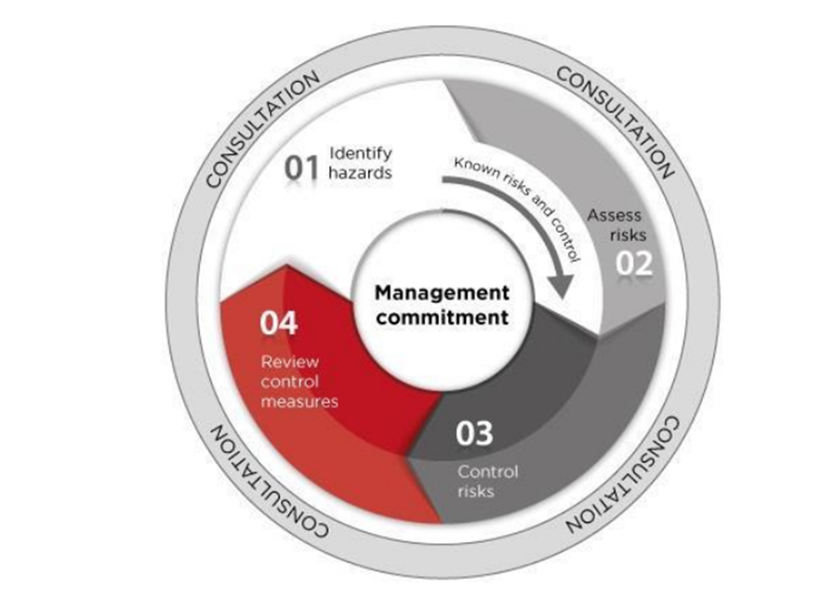
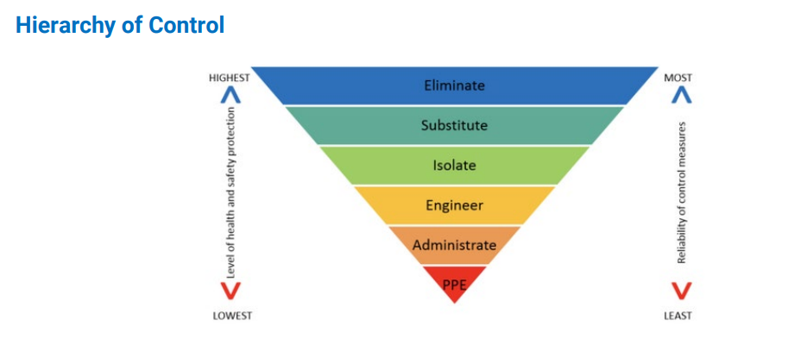
Instructions | Links

The risk assessment team is made up of team members from various work areas and key stakeholders and utilises the experience and operational knowledge of the team to provide consultation and communication. | Critical Risk
Monitoring of the controls is required if there is any change in process, the controls are not effective, on request of a Health and Safety Representative or as a result of relevant incident. | Management System documents - HRP , Associated forms ,support systems
The hazards and controls identified during this process can be used to inform - Safe work instruction , plant risk assessments , field work risk assessments and other assessment tools that may be required. | Risk Management System documents
1. Complete the first section of the Cover Page
2. Asses the risk - Confirm the context, scope including a description of the task, area or plant and equipment
3. List current controls that are used to manage the risk scenario, consider the hierarchy of control , our management system (critical risk, High risk procedures and frameworks)
4. Score the risk using the risk matrix provide in (4. Action Plan) with current controls in place to determine if the hazard is controlled to So Far as Reasonable Practicable(SFARP)
5. If required, include additional controls to control the hazards for the context of how people may interact with the hazard.
6. Re-score the risk scenario taking in to consideration current and additional controls.
7. All additional controls identified in step 5 need to be actioned and assigned responsibility and due dates in Action Plan.

Risk Assessment Approach

6. Matrix
